Defect Report-CaseStudy
Defect ID | Defect Description | Steps to Reproduce | Priority | Severity | Status | Created By | Assigned To | Screenshot
1 | Weak password accepted without validation | 1. Launch www.google.com 2. Search for amazon.com 3. Click on Sign up option 4. Enter valid Mobile number or Email ID 5. Enter your name and password. 5. Enter weak password like "123456" or "password" 6. Observe password validation | High | Critical | New | Kuldeep Sharma | Raghavendra BN | 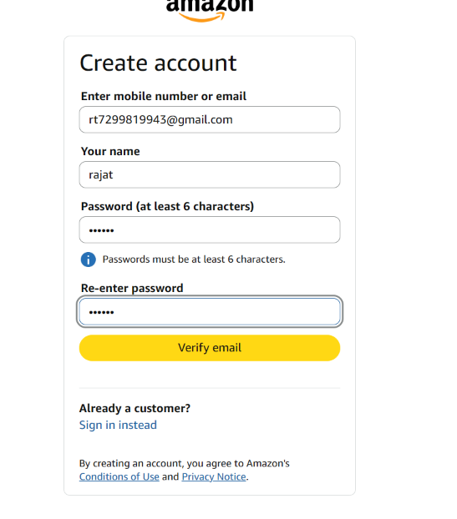
2 | Invalid coupon code displays a success message instead of an error. | 1. Launch www.google.com 2. Search for amazon.com 3. Sign in your credential 4. Add a product to the cart. 5. Go to Checkout. 6. Enter an invalid coupon code. 7. Click Apply. 8. Observe the success message. | Medium | Major | New | Kuldeep Sharma | Raghavendra BN | 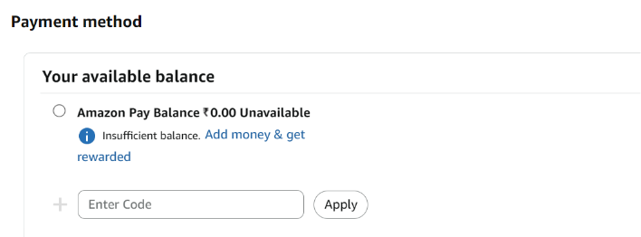
3 | User is not redirected to the Order Confirmation page after successful payment. | 1. Launch www.google.com 2. Search for amazon.com 3. Click on Sign in option 4. Enter valid user details 5Add a product to the cart. 6. Complete the checkout process. 7. Make a successful payment. 8. Observe that the confirmation page is not displayed | High | Critical | New | Kuldeep Sharma | Raghavendra BN

